Setup
[DB]
USER | XXPRS_R
PASS | xzkb3o96
HOST | OOVM0001_PRS3 | ←DB name of TNSNAMES.ORA

[SITE]
LEDGER NAME | T090593_TIP_IFRS
ORG | 'ESD','ESP','FRC','HPC','SPC','HDD','SSD','EHD','EPC','IND','MDC' | (*) ADO library needs to be added for macro execution.
 |  | 1. VBA screen is opened by [ALT]+[F11] key.
[Color] |  | 2. Choose [Tools(T)]→[Reference(R)...] in menu bar.
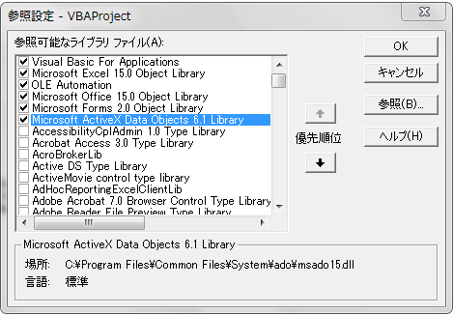
This year |  | 3. [Microsoft ActiveX Data Objects 6.1 Library] is checked from library list, and [OK].
Previous year
Before previous year

Scope1 | (Total) Less than 6 months
Scope2 | (Total) 6 months ~ less than 1 year
Scope3 | (Total) 1 year ~ less than 2 year
Scope4 | (Total) 2 year ~ above
Scope5

